Ecosystem Threshold
Name Your Coral Reef System:
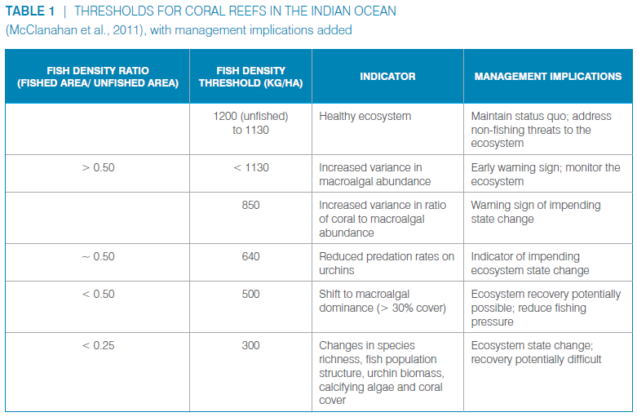
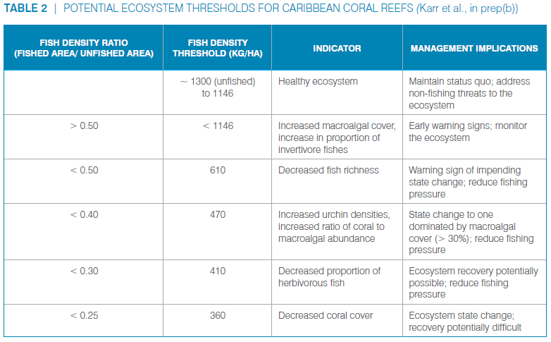

Fished Area Density (number of fish surveyed divided by area surveyed):

Unfished Area Density (number of fish surveyed divided by area surveyed):

Fish Density Ratio =
#DIV/0!

^ Compare this value to the Indian Ocean and Caribbean coral reef ratios presented in Tables 1 and 2.

